Description
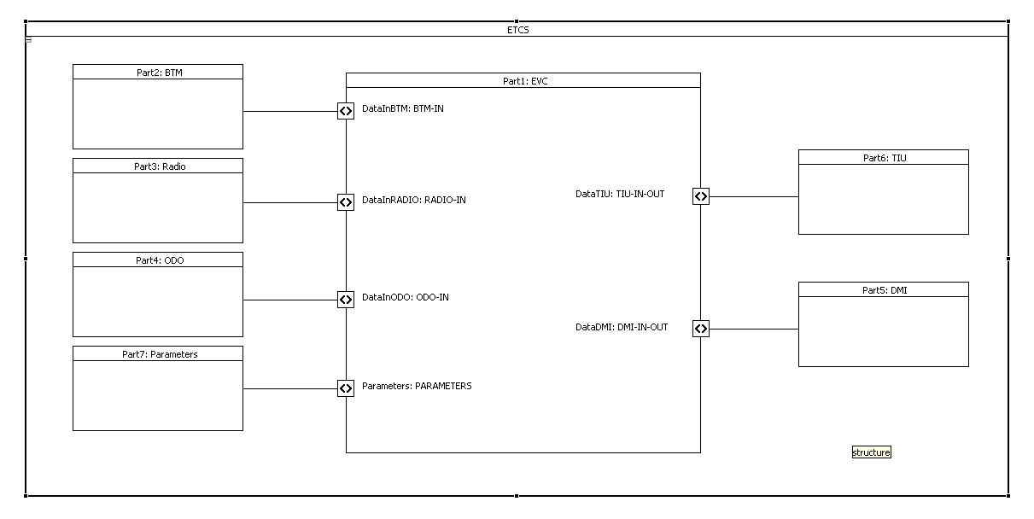
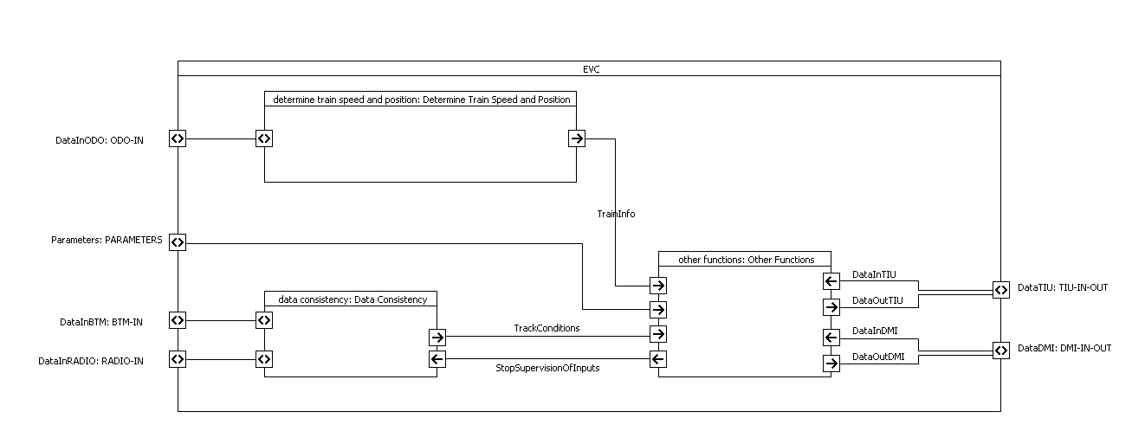
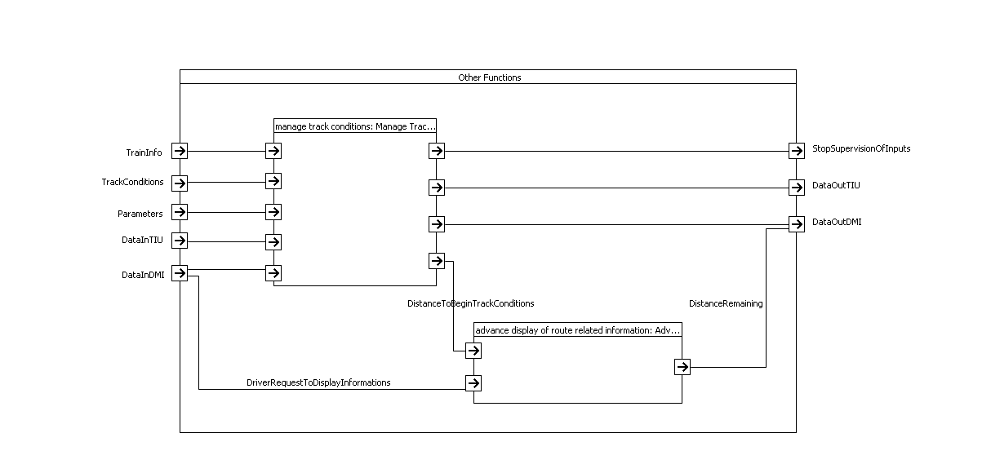
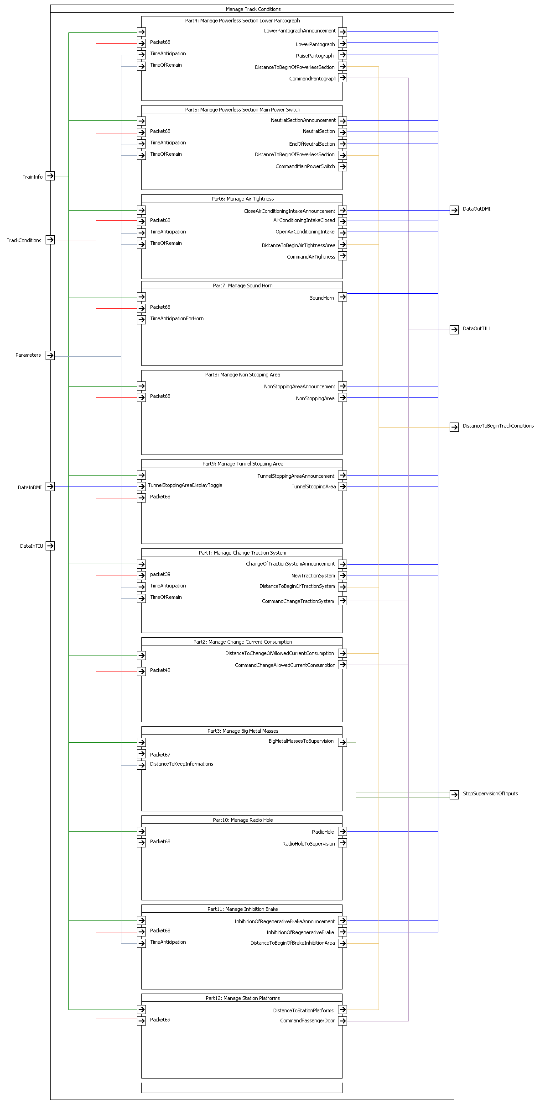
Template for System Analysis

Authors:

Giraud Christian, Boverie Nicolas, Petit-Doche Marielle, Durand Guillaume

Reviewers:

Reviewers of this document

Date and version:

v05 | 2013-11-21 | First release with template
v06 | 2013-11-25 | Release after verification (text in blue)

Input documents:

• Subset 26 §3.12.1
• Subset 26 §3.7.3
• Subset 26 §5.18
• Subset 26 §7
• Subset 34 §2.4

Files to complete this analysis

• List of input documents

Description
 | Object
 | Track Conditions objective is to provide to driver and/or to train, some information in front of the train. These conditions are related to: a) Powerless section with pantograph to be lowered, potentially including a change of traction system, b) Powerless section with main power switch to be switched off, c) Non-stopping area, d) Radio hole, e) Air tightness area, f) Inhibition of a defined type of brake in power recovery, a. switch off regenerative Brake, b. switch off eddy current in Service Brake, c. switch off eddy current in Emergency Brake, d. switch off magnetic shoes Brake, g) Tunnel stopping area, h) Sound horn, i) Big Metal Mass, j) Station Platform definition, k) Change of traction system, l) Change of allowed current consumption.

 | General
 | Each Track Condition is given as a Profile Data, i.e. start and end of the data is given or simply location data, depending on the type of track condition.
 | The starting position is in reference to the “Max Safe Front End” position of the train. The end position is in reference to the “Min Safe Rear End” position of the train. The timing is dealt as a specific application.
 | There are some exceptions about these rules: - exception 1 : The starting point of a Big Metal Mass type track condition shall be evaluated taking into account the max safe antenna position, the end of the profile taking into account the min safe antenna position. - exception 2 : The end of the Powerless section shall be evaluated taking into account the min safe front end of the train. - exception 3 : The start and end of a tunnel stopping area and of a sound horn track condition shall be evaluated taking into account the estimated front end of the train.

 | Initialization
 | When receiving one track condition, the following actions shall be performed : - Indicate on DMI the necessary actions described within chapter 3.12 of subset-026, - Send to external equipment the remaining distance when necessary. The functions covered by the “Track Condition” packets number 39, 40, 67, 68 and 69 are described within the chapters hereafter. An abstract list is given hereafter.
 | Coding | Type Definition | Initial States | Active States | Anticipation
 | Packet 68 0000 | No Stopping Area | Stopping permitted | No Stopping permitted within area | Use SBI curve
 | Packet 68 0001 | Tunnel Stopping Area | No Stopping | Stopping permitted within area | Use SBI curve
 | Packet 68 0010 | Sound Horn Area | No Sound requested | Sound requested | DAN = V * TAN
 | Packet 68 0011 | Powerless Section – lower Pantograph | No power | Power | DAN = V * TAN
 | Packet 68 0100 | Radio Hole | T_NVContact supervised | T_NVContact not supervised | DAN = 0
 | Packet 68 0101 | Air Tightness | No Air-Tightness requested | Air-Tightness requested | DAN = V * TAN
 | Packet 68 0110 | Switch off regenerative brake | Regenerative brake on | Regenerative brake off | DAN = V * TAN
 | Packet 68 0111 | Switch off eddy current SB | Eddy current SB on | Eddy current SB off | DAN = V * TAN
 | Packet 68 1000 | Switch off magnetic shoes | Magnetic Shoes on | Magnetic Shoes off | DAN = V * TAN
 | Packet 68 1001 | Powerless Section – Power Main Switch | Main Power on | Main Power off | DAN = V * TAN
 | Packet 68 1010 | Switch off eddy current EB | Eddy current EB on | Eddy current EB off | DAN = V * TAN
 | Packet 67 | Big Metal Mass, | No integrity check ignore | Integrity check ignore | DAN = 0
 | Packet 69 | Station Platform definition | No target in station | Target in station | Use SBI curve
 | Packet 39 | Change of traction system | No change of traction system | Change of traction system | DAN = V * TAN
 | Packet 40 | Change of allowed current consumption | No change of allowed current | Change of allowed current | DAN = V * TAN

 | Note : - SBI curve : gives a DAN = distance of anticipation = function(V) - TAN = time of anticipation - V = actual train speed

Design choices

Requirements
Number | Name | Nature | Source | Parent | Allocation | Safety | Definition | Discussion
Natural | T_Text | Structural, | T_SourceDocument | T_Requirement | T_System | Boolean | T_Definition | T_Text
 |  | Functional, |  |  |  |  |  | (optional)
 |  | Definition,
Manage Track Conditions
 | SRS-3.12.1.1 |  | subset-26 |  | Kernel |  | The Track Condition function is used to inform the driver and/or the train of a condition in front of the train.
 | SRS-3.12.1.2 |  | subset-26 |  | Kernel |  | A Track Condition shall be given as profile data (e.g. non-stopping area), i.e. start and end of the data is given, or location data (e.g. change of traction system) i.e. start location given, depending on the type of track condition.
 | SRS-3.12.1.2.1 |  | subset-26 |  | Kernel |  | The starting point of a profile type track condition shall be evaluated taking into account the max safe front end of the train, the end of the profile taking into account the min safe rear end of the train. Location type data shall be evaluated taking into account the max safe front of the train.
 | SRS-3.12.1.2.1.2 |  | subset-26 |  | Kernel |  | Exception 1: The starting point of a Big Metal Mass type track condition shall be evaluated taking into account the max safe antenna position, the end of the profile taking into account the min safe antenna position.
 | SRS-3.12.1.2.1.3 |  | subset-26 |  | Kernel |  | Exception 2: The end of the Powerless section shall be evaluated taking into account the min safe front end of the train.
 | SRS-3.12.1.2.1.4 |  | subset-26 |  | Kernel |  | Exception 3: The start and end of a tunnel stopping area and of a sound horn track condition shall be evaluated taking into account the estimated front end of the train.
 | SRS-3.12.1.3 |  | subset-26 |  | Kernel |  | The types of track conditions to be covered by this function are: • Powerless section, lower pantograph (initial state: no powerless section, i.e. pantograph not to be lowered) • Powerless section, switch off main power switch (initial state: no powerless section, i.e. main power switch not to be switched off) • Air tightness (initial state: no request for air tightness) • Sound horn (initial state: no request for sound horn) • Non stopping area (initial state: stopping permitted) • Tunnel stopping area (initial state: no tunnel stopping area) • Change of traction system, switch traction system on-board, used for train capable of handling several traction systems (initial state: no initial state – keep the current setting) • Change of allowed current consumption, limit current consumed by the train, used to adapt the maximum current consumption of the train to the maximum current allowed by the trackside (initial state: no initial state – keep the current setting) • Big metal masses, ignore onboard integrity check alarms of balise transmission. (initial state: alarms not ignored) • Radio hole, stop supervision of the loss of safe radio connection (initial state: loss of safe radio connection supervised) • Switch off regenerative brake (initial state: regenerative brake on) • Switch off eddy current brake for service brake (initial state: eddy current brake on for service brake) • Switch off eddy current brake for emergency brake (initial state: eddy current brake on for emergency brake) • Switch off magnetic shoe brake (initial state: magnetic shoe brake on). • Station platforms, enable passenger doors with or without steps according to platform location, side and height (initial state: not enabled).
 | SRS-3.12.1.5 |  | subset-26 |  | Kernel |  | The following actions shall be performed at receiving a track condition: a) Indicate on DMI (see chapter 5, procedure “Indication of track conditions”), except “Station platforms”, “Change of allowed current consumption” and “Big metal masses”. b) Send information with the remaining distance to an ERTMS/ETCS external function, with the exception of big metal mass track condition, sound horn track condition, non stopping area, tunnel stopping area and supervision of radio transmission which are handled inside the ERTMS/ETCS on-board equipment.
 | SRS-3.12.1.6 |  | subset-26 |  | Kernel |  | The train is permitted to run without any track condition information given from the trackside. The initial state shall then be used by the on-board equipment.
 | SRS-3.7.3.e |  | subset-26 |  | Kernel |  | New track condition Change of Traction System information shall replace all stored Change of Traction System information.
 | SRS-3.7.3.f |  | subset-26 |  | Kernel |  | New track condition Big Metal Masses information shall replace all stored Big Metal Masses information from the start location of the first element of the new information.
 | SRS-3.7.3.g |  | subset-26 |  | Kernel |  | New track condition information of at least one of the types listed here, i.e., sound horn, non stopping area, tunnel stopping area, powerless section - lower pantograph, powerless section - switch off the main power switch, radio hole, air tightness, switch off regenerative brake, switch off eddy current brake for service brake, switch off eddy current brake for emergency brake, switch off magnetic shoe brake, shall replace all stored track condition information of the listed types from the start location of the first element of the new information.
 | SRS-A.3.5.1 |  | subset-26 |  | Kernel |  | Regards actions executed in reference to location information received from trackside, the on-board equipment shall ensure that the action related to a location is neither reverted, nor executed twice. Situations to be considered shall include reverse movement (initiated by driver or due to roll-away) and the sub-sequent forward movement, or adjustment of train position on passing a new LRBG. This rule shall apply to the following actions: • ... • Actions related to track condition information (see 3.12.1) with the exception of big metal masses • ...
 | SRS-A.3.5.2 |  | subset-26 |  | Kernel |  | Once the ERTMS/ETCS on-board equipment has received a balise group message (i.e. once it has received the last balise telegram of the balise group), the action(s) resulting from its content shall take into account the train position measured at the time of reception of this last telegram and shall take precedence on any other action related to a further location that is reached before the message has been fully processed.
 | SRS-5.18.1.1 |  | subset-26 |  | Kernel |  | This set of procedures specifies the sequences of driver indications related to the following track-conditions: a) powerless section with pantograph to be lowered b) powerless section with main power switch to be switched off, c) non-stopping area, d) radio hole, e) air tightness area, f) Inhibition of a defined type of brake, g) tunnel stopping area, h) sound horn, i) change of traction system.
Passing a powerless section with pantograph to be lowered
 | SRS-5.18.2.1 |  | subset-26 |  | Kernel |  | This procedure is dealing with the announcement and indication to the driver of a powerless section with the pantograph to be lowered.
 | SA_MTC_001 |  |  | SRS-7.4.2.20 SRS-7.5.1.77 | Kernel |  | The “Powerless / Lower Pantograph” is a singular Track Condition function which is managed by the mean of packet number 68 with internal code 3 (M_TRACKCOND=3).
 | SA_MTC_002 |  |  | SRS-5.18.2.2.1 SRS-5 (Figure 13) | Kernel |  | DistanceAnticipation = TrainSpeed * TimeAnticipation
 | SA_MTC_003 |  |  | SRS-5 (Figure 13) | Kernel |  | point D = Reference Position + D_TRACKCOND
 | SA_MTC_004 |  |  | SRS-5.18.2.2.1 SRS-5 (Figure 13) | Kernel |  | point C = point D - DistanceAnticipation
running direction
A
G
Display: «Raise pantograph»
Display: «Lowered Pantograph»
Distance to begin of powerless section
D
E
C
Display: «Lower pantograph announcement»
Powerless section length
Powerless section
LRBG
 | SRS-5.18.2.2 |  | subset-26 |  | Kernel |  | “Lower pantograph announcement” shall be displayed to the driver when the max safe front end of the train reaches a location (point C) in rear of the beginning of the powerless section (point D).
 | SRS-5.18.2.2.2 |  | subset-26 |  | Kernel |  | The displayed “Lower pantograph announcement” information shall also indicate if the related functionality is executed • automatically, or • if the driver is requested to act. | I don't understand this requirement
 | SRS-5.18.2.3 |  | subset-26 |  | Kernel |  | When the max safe front end of the train reaches the start location (point D) of the powerless section: • “Lower pantograph announcement” shall no longer be displayed to the driver, • “Lowered Pantograph” information shall be displayed to the driver.
 | SA_MTC_005 |  |  | SRS-5 (Figure 13) | Kernel |  | point E = point D + L_TRACKCOND
 | SRS-5.18.2.5 |  | subset-26 |  | Kernel |  | When the min safe front end of the train reaches the “Powerless section” end location point E): • “Lowered Pantograph” information shall no longer be displayed to the driver • “Raise pantograph” information shall be displayed to the driver.
 | SRS-5.18.2.5.1 |  | subset-26 |  | Kernel |  | The displayed “Raise pantograph” information shall also indicate if the related functionality is executed • automatically, or • if the driver is requested to act. | I don't understand this requirement
 | SA_MTC_006 |  |  | SRS-5.18.2.6 SRS-5 (Figure 13) | Kernel |  | DistanceOfRemain = TrainSpeed * TimeOfRemain
 | SA_MTC_007 |  |  | SRS-5.18.2.6 SRS-5 (Figure 13) | Kernel |  | PointG = Point E + DistanceOfRemain
 | SA_MTC_008 |  |  | SRS-5.18.2.6 | Kernel |  | The “Raise pantograph” information shall no longer be displayed to the driver when the min safe rear end of the train reaches point G.
 | SA_MTC_009 |  |  | SRS-3.7.3.2.c SRS-7.4.2.20 | Kernel |  | The initial state is function resume or de-active. (cf. Q_TRACKINIT and D_TRACKINIT packet68)
 | Subset-034-2.4.2 |  | subset-34 |  | Kernel |  | To be harmonized. | This requirement does not specify when the command shall be sent
 | ??? |  |  |  |  |  | D_TRACKCOND and D_TRACKCOND(1) are they incremental ?
Passing a powerless section with main power switch to be switched off
 | SRS-5.18.3.1 |  | subset-26 |  | Kernel |  | This procedure is dealing with the announcement and indication to the driver of a powerless section with main power switch to be switched off.
 | SA_MTC_011 |  |  | SRS-7.4.2.20 SRS-7.5.1.77 | Kernel |  | The “Power Main Switch” is a singular Track Condition function which is managed by the mean of packet number 68 with internal code 9 (M_TRACKCOND=9).
 | SA_MTC_012 |  |  | SRS-5.18.3.2.1 SRS-5 (Figure 14) | Kernel |  | DistanceAnticipation = TrainSpeed * TimeAnticipation
 | SA_MTC_013 |  |  | SRS-5 (Figure 14) | Kernel |  | point D = Reference Position + D_TRACKCOND
 | SA_MTC_014 |  |  | SRS-5.18.3.2.1 SRS-5 (Figure 14) | Kernel |  | point C = point D - DistanceAnticipation
running direction
Display: «Neutral section»
Distance to begin of powerless section
D
E
C
Display: «Neutral section announcement»
Powerless section length
LRBG
Display: «End of Neutral section»
G
A
Powerless section
 | SRS-5.18.3.2 |  | subset-26 |  | Kernel |  | “Neutral section announcement” shall be displayed to the driver when the max safe front end of the train reaches a location (point C) in rear of the beginning of the powerless section.
 | SRS-5.18.3.2.2 |  | subset-26 |  | Kernel |  | The displayed “Neutral section announcement” information shall also indicate if the related functionality is executed • automatically, or • if the driver is requested to act. | I don't understand this requirement
 | SRS-5.18.3.3 |  | subset-26 |  | Kernel |  | When the max safe front end of the train reaches the starting location (point D) of the powerless section: • “Neutral section announcement” shall no longer be displayed to the driver, • “Neutral section” information shall be displayed to the driver.
 | SA_MTC_015 |  |  | SRS-5 (Figure 14) | Kernel |  | point E = point D + L_TRACKCOND
 | SRS-5.18.3.4 |  | subset-26 |  | Kernel |  | When the min safe front end of the train reaches the “Powerless section” end location point E): • “Neutral section” information shall no longer be displayed to the driver • “End of Neutral section” information shall be displayed to the driver.
 | SRS-5.18.3.4.1 |  | subset-26 |  | Kernel |  | The displayed “End of Neutral section” information shall also indicate if the related functionality is executed • Automatically, or • if the driver is requested to act. | I don't understand this requirement
 | SA_MTC_016 |  |  | SRS-5.18.3.5 SRS-5 (Figure 14) | Kernel |  | DistanceOfRemain = TrainSpeed * TimeOfRemain
 | SA_MTC_017 |  |  | SRS-5.18.3.5 SRS-5 (Figure 14) | Kernel |  | PointG = Point E + DistanceOfRemain
 | SA_MTC_018 |  |  | SRS-5.18.3.5 | Kernel |  | The “End of Neutral section” information shall no longer be displayed to the driver when the min safe rear end of the train reaches point G.
 | SA_MTC_019 |  |  | SRS-3.7.3.2.c SRS-7.4.2.20 | Kernel |  | The initial state is function resume or de-active. (cf. Q_TRACKINIT and D_TRACKINIT packet68)
 | Subset-034-2.4.7 |  | subset-34 |  | Kernel |  | To be harmonized. | This requirement does not specify when the command shall be sent
 | ??? |  |  |  |  |  | D_TRACKCOND and D_TRACKCOND(1) are they incremental ?
Passing a non stopping area
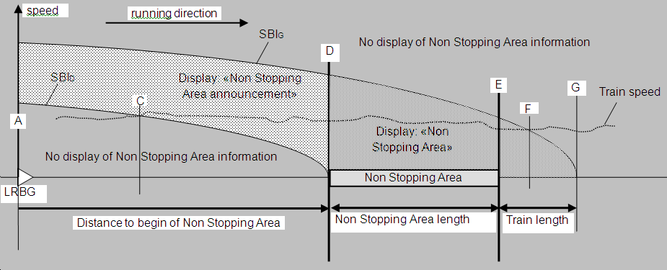
 | SRS-5.18.4.1 |  | subset-26 |  | Kernel |  | This procedure is dealing with the announcement and indication to the driver of an area where stopping is not permitted.
 | SA_MTC_021 |  |  | SRS-7.4.2.20 SRS-7.5.1.77 | Kernel |  | The “Non stopping area” is a regular Track Condition function which is managed by the mean of packet number 68 with internal code 0 (M_TRACKCOND=0).
 | SA_MTC_022 |  |  | SRS-5 (Figure 15) | Kernel |  | point D = Reference Position + D_TRACKCOND
 | SA_MTC_023 |  |  | SRS-5 (Figure 15) | Kernel |  | point E = point D + L_TRACKCOND
 | SA_MTC_024 |  |  | SRS-5 (Figure 15) | Kernel |  | point G = point E + TrainLength
 | SA_MTC_024 |  |  | SRS-5.18.4.2 | Kernel |  | There are two ‘Distance_To_Stop” to be calculated, taking into account the “Estimated Train Speed” : • Distance_To_Stop_SBID is based on “service brake intervention” curve related to stop at location “D”. • Distance_To_Stop_SBIG is based on “service brake intervention” curve related to stop at location “G”.
 | SA_MTC_025 |  |  | SRS-5.18.4.2 SRS-5.18.4.3 | Kernel |  | When the max safe front end reaches the "Distance_To_Stop_SBID" (point C), the “Non stopping area announcement” shall be displayed to the driver.
 | SRS-5.18.4.4 |  | subset-26 |  | Kernel |  | When the max safe front end reaches the start location (point D) of the non stopping area: • “Non stopping area announcement” shall no longer be displayed • “Non stopping area” information shall be displayed to the driver.
 | SA_MTC_026 |  |  | SRS-5.18.4.2 SRS-5.18.4.5 | Kernel |  | When the min safe front end reaches the "Distance_To_Stop_SBIG" (point F), the "Non stopping area" information shall no longer be displayed.
 | SA_MTC_027 |  |  | SRS-3.7.3.2.c SRS-7.4.2.20 | Kernel |  | The initial state is function resume or de-active. (cf. Q_TRACKINIT and D_TRACKINIT packet68)
 | ??? |  |  |  |  |  | D_TRACKCOND and D_TRACKCOND(1) are they incremental ?
running direction
Radio hole length
Display: «radio hole»
Distance to begin of radio hole
A
D
E
LRBG
Radio hole area
Passing a radio hole
 | SRS-5.18.5.1 |  | subset-26 |  | Kernel |  | This procedure is dealing with the automatic deactivation of the safe radio connection supervision inside an announced radio hole area.
 | SA_MTC_031 |  |  | SRS-7.4.2.20 SRS-7.5.1.77 | Kernel |  | The “Radio Hole” is a regular Track Condition function which is managed by the mean of packet number 68 with internal code 4 (M_TRACKCOND=4).
 | SA_MTC_032 |  |  | SRS-5 (Figure 16) | Kernel |  | point D = Reference Position + D_TRACKCOND
 | SRS-5.18.5.2 |  | subset-26 |  | Kernel |  | When the max safe front end of the train passes the start location (point D) of the radio hole area, the “radio hole” indication shall be displayed to the driver.
 | SA_MTC_033 |  |  | SRS-5 (Figure 16) | Kernel |  | point E = point D + L_TRACKCOND
 | SA_MTC_034 |  |  | SRS-3.7.3.2.c SRS-7.4.2.20 | Kernel |  | The initial state is function resume or de-active. (cf. Q_TRACKINIT and D_TRACKINIT packet68)
 | SRS-5.18.5.3 |  | subset-26 |  | Kernel |  | When the min safe rear end of the train passes the end location (point E) of the radio hole area, the “radio hole” indication to the driver shall be removed.
 | SA_MTC_035 |  | subset-26 | SRS-3.12.1.3 (part "Radio hole") | Kernel |  | In "radio hole" the supervision of the loss of safe radio connection shall be stop.
 | ??? |  |  |  |  |  | D_TRACKCOND and D_TRACKCOND(1) are they incremental ?
Passing an “air tightness” area
 | SRS-5.18.6.1 |  | subset-26 |  | Kernel |  | This procedure is dealing with the announcement and indication to the driver of an air tightness area.
 | SA_MTC_041 |  |  | SRS-7.4.2.20 SRS-7.5.1.77 | Kernel |  | The “Air Tightness” is a regular Track Condition function which is managed by the mean of packet number 68 with internal code 5 (M_TRACKCOND=5).
 | SA_MTC_042 |  |  | SRS-5.18.6.2.1 SRS-5 (Figure 17) | Kernel |  | DistanceAnticipation = TrainSpeed * TimeAnticipation
 | SA_MTC_043 |  |  | SRS-5 (Figure 17) | Kernel |  | point D = Reference Position + D_TRACKCOND
 | SA_MTC_044 |  |  | SRS-5.18.6.2.1 SRS-5 (Figure 17) | Kernel |  | point C = point D - DistanceAnticipation
 | SRS-5.18.6.2 |  | subset-26 |  | Kernel |  | “Close air conditioning intake announcement” information shall be displayed to the driver when the max safe front end of the train reaches a location (point C) in rear of the beginning of the “air tightness” area.
running direction
Air tightness length
Display « Air conditioning intake closed»
Distance to begin of air tightness area
A
D
E
C
Display: « Close air conditioning intake announcement »
LRBG
G
Display: «Open air conditioning intake»
Air tightness area
 | SRS-5.18.6.2.2 |  | subset-26 |  | Kernel |  | The displayed “Close air conditioning intake announcement” information shall also indicate if the related functionality is executed • automatically, or • if the driver is requested to act. | I don't understand this requirement
 | SRS-5.18.6.3 |  | subset-26 |  | Kernel |  | When the max safe front end of the train reaches the start location (point D) of the air tightness area: • “Close air conditioning intake announcement” information shall no longer be displayed. • “Air conditioning intake closed” information shall be displayed to the driver.
 | SA_MTC_045 |  |  | SRS-5 (Figure 17) | Kernel |  | point E = point D + L_TRACKCOND
 | SRS-5.18.6.4 |  | subset-26 |  | Kernel |  | When the min safe rear end of the train reaches the end location (point E) of the air tightness area: • “Air conditioning intake closed” information shall no longer be displayed; • “Open air conditioning intake” information shall be displayed to the driver.
 | SRS-5.18.6.4.1 |  | subset-26 |  | Kernel |  | The displayed “Open air conditioning intake” information shall also indicate if the related functionality is executed • automatically, or • If the driver is requested to act. | I don't understand this requirement
 | SA_MTC_046 |  |  | SRS-5.18.6.5 SRS-5 (Figure 17) | Kernel |  | DistanceOfRemain = TrainSpeed * TimeOfRemain
 | SA_MTC_047 |  |  | SRS-5.18.6.5 SRS-5 (Figure 17) | Kernel |  | PointG = Point E + DistanceOfRemain
 | SA_MTC_048 |  |  | SRS-5.18.6.5 | Kernel |  | The “Open Air Conditioning intake” information shall no longer be displayed to the driver when the min safe rear end of the train reaches point G.
 | SA_MTC_049 |  |  | SRS-3.7.3.2.c SRS-7.4.2.20 | Kernel |  | The initial state is function resume or de-active. (cf. Q_TRACKINIT and D_TRACKINIT packet68)
 | Subset-034-2.4.4 |  | subset-34 |  | Kernel |  | To be harmonized. | This requirement does not specify when the command shall be sent
 | ??? |  |  |  |  |  | D_TRACKCOND and D_TRACKCOND(1) are they incremental ?
Inhibition of a defined type of brake
 | SRS-5.18.7.1 |  | subset-26 |  | Kernel |  | This procedure is dealing with the announcement and indication to the driver of the inhibition of defined types of brake systems.
 | SA_MTC_051 |  |  | SRS-7.4.2.20 SRS-7.5.1.77 | Kernel |  | All of them are a regular Track Condition function which is managed by the mean of packet number 68 with internal code 6, 7, 8, 10 (M_TRACKCOND=6, 7, 8, 10) : - Switch off Regenerative Brake (code 6) - Switch off Eddy for service brake (code 7) - Switch off Eddy for magnetic shoes (code 8) - Switch off Eddy for emergency brake (code 10).
running direction
Brake inhibition length
Display: «Inhibition of Regenerative Brake»
Distance to begin of brake inhibition area
A
D
E
C
Display: «Inhibition of Regenerative Brake announcement»
LRBG
Brake inhibition area
 | SRS-5.18.7.2 |  | subset-26 |  | Kernel |  | The procedure shows the case of the regenerative brake. Regarding eddy current brake and magnetic shoe brake, the procedure is identical except that the displayed indications refer respectively eddy current brake or magnetic shoe brake.
 | SA_MTC_052 |  |  | SRS-5.18.7.3.2 SRS-5 (Figure 18) | Kernel |  | DistanceAnticipation = TrainSpeed * TimeAnticipation
 | SA_MTC_053 |  |  | SRS-5 (Figure 18) | Kernel |  | point D = Reference Position + D_TRACKCOND
 | SA_MTC_054 |  |  | SRS-5.18.7.3.2 SRS-5 (Figure 18) | Kernel |  | point C = point D - DistanceAnticipation
 | SRS-5.18.7.3 |  | subset-26 |  | Kernel |  | “Inhibition of Regenerative Brake announcement” information shall be displayed to the driver when the max safe front end of the train reaches a location (Point C) in rear of the beginning of the regenerative brake inhibition area.
 | SRS-5.18.7.3.1 |  | subset-26 |  | Kernel |  | The displayed “Inhibition of Regenerative Brake announcement” information shall also indicate if the related functionality is executed: • automatically, or • if the driver is requested to act. | I don't understand this requirement
 | SRS-5.18.7.4 |  | subset-26 |  | Kernel |  | When the max safe front end of the train reaches the start location (point D) of the regenerative brake inhibition area: • Indication “Inhibition of Regenerative Brake announcement” shall no longer be displayed, • Indication “Inhibition of Regenerative Brake” shall be displayed to the driver.
 | SA_MTC_055 |  |  | SRS-5 (Figure 18) | Kernel |  | point E = point D + L_TRACKCOND
 | SRS-5.18.7.5 |  | subset-26 |  | Kernel |  | When the min safe rear end of the train reaches the end location (point E) of the regenerative brake inhibition area the indication “Inhibition of Regenerative Brake” information shall no longer be displayed.
 | SA_MTC_056 |  |  | SRS-3.7.3.2.c SRS-7.4.2.20 | Kernel |  | The initial state is function resume or de-active. (cf. Q_TRACKINIT and D_TRACKINIT packet68)
 | ??? |  |  |  |  |  | D_TRACKCOND and D_TRACKCOND(1) are they incremental ?
Advising a tunnel stopping area
 | SRS-5.18.8.1 |  | subset-26 |  | Kernel |  | This procedure is dealing with the indication to the driver of an area under a tunnel where stopping is permitted, and suitable escaping paths are provided.
Tunnel Stopping Area length
running direction
Display: «Tunnel Stopping Area»
Distance to begin of Tunnel Stopping Area
D
E
C
No display of Tunnel Stopping Area information
LRBG
Display: «Tunnel Stopping Area announcement»
?
Tunnel Stopping Area
display toggle on
Tunnel Stopping Area
running direction
speed
A
 | SA_MTC_061 |  |  | SRS-7.4.2.20 SRS-7.5.1.77 | Kernel |  | The “Tunnel Stopping Area” is a singular Track Condition function which is managed by the mean of packet number 68 with internal code 1 (M_TRACKCOND=1).
 | SRS-5.18.8.2 |  | subset-26 |  | Kernel |  | On driver request, the ERTMS/ETCS on-board equipment shall enable/disable the display of the tunnel stopping area related information (initial state: disabled).
 | SA_MTC_062 |  |  | SRS-5 (Figure 19) | Kernel |  | point D = Reference Position + D_TRACKCOND
 | SA_MTC_063 |  |  | SRS-5 (Figure 19) | Kernel |  | point E = point D + L_TRACKCOND
 | SA_MTC_064 |  |  | SRS-5.18.8.3 | Kernel |  | There are one ‘Distance_To_Stop” to be calculated, taking into account the “Estimated Train Speed” : • Distance_To_Stop_SBIE is based on “service brake intervention” curve related to stop at location “E”.
 | SRS-5.18.8.4 |  | subset-26 |  | Kernel |  | Before the train reaches the start location (point D) of the tunnel stopping area, the “tunnel stopping area announcement” shall be displayed to the driver. This shall include the indication of the remaining distance to the start location of the tunnel stopping area. | The text in red is in contradiction with SRS-3.12.1.5-b)
 | SRS-5.18.8.5 |  | subset-26 |  | Kernel |  | When the train front end reaches the start location (point D) of the tunnel stopping area: • “Tunnel stopping area announcement” shall no longer be displayed • “Tunnel stopping area” information shall be displayed to the driver.
 | SA_MTC_065 |  |  | SRS-5.18.8.3 | Kernel |  | When the max safe front end reaches the "Distance_To_Stop_SBIE", the "Tunnel stopping area" information shall no longer be displayed.
 | SA_MTC_066 |  |  | SRS-3.7.3.2.c SRS-7.4.2.20 | Kernel |  | The initial state is function resume or de-active. (cf. Q_TRACKINIT and D_TRACKINIT packet68)
 | ??? |  |  |  |  |  | D_TRACKCOND and D_TRACKCOND(1) are they incremental ?
Sounding the horn
running direction
Sound Horn length
Distance to begin of Sound Horn area
A
D
E
LRBG
Display: «Sound Horn»
Sound Horn Area
C
 | SRS-5.18.9.1 |  | subset-26 |  | Kernel |  | This procedure is dealing with the indication to the driver of a request to sound the horn.
 | SA_MTC_071 |  |  | SRS-7.4.2.20 SRS-7.5.1.77 | Kernel |  | The “Sound Horn” is a singular Track Condition function which is managed by the mean of packet number 68 with internal code 2 (M_TRACKCOND=2).
 | SA_MTC_072 |  |  | SRS-5.18.9.2.1 SRS-5 (Figure 20) | Kernel |  | DistanceAnticipation = TrainSpeed * TimeAnticipationForHorn
 | SA_MTC_073 |  |  | SRS-5 (Figure 20) | Kernel |  | point D = Reference Position + D_TRACKCOND
 | SA_MTC_074 |  |  | SRS-5.18.9.2.1 SRS-5 (Figure 20) | Kernel |  | point C = point D - DistanceAnticipation
 | SRS-5.18.9.2 |  | subset-26 |  | Kernel |  | “Sound horn” shall be displayed to the driver when the estimated front end of the train reaches a location (point C) in rear of the beginning of the “sound horn” area (point D).
 | SA_MTC_075 |  |  | SRS-5 (Figure 20) | Kernel |  | point E = point D + L_TRACKCOND
 | SRS-5.18.9.3 |  | subset-26 |  | Kernel |  | When the estimated front end of the train reaches the end location (point E) of the “sound horn” area, the indication “Sound horn” information shall no longer be displayed.
 | SA_MTC_076 |  |  | SRS-3.7.3.2.c SRS-7.4.2.20 | Kernel |  | The initial state is function resume or de-active. (cf. Q_TRACKINIT and D_TRACKINIT packet68)
 | ??? |  |  |  |  |  | D_TRACKCOND and D_TRACKCOND(1) are they incremental ?
Changing the traction system
 | SRS-5.18.10.1 |  | subset-26 |  | Kernel |  | This procedure is dealing with the announcement and indication to the driver of a change of traction system.
running direction
A
G
C
Display: «Change of traction system announcement»
Distance to change of traction system
F
Display: «New traction system»
LRBG
 | SA_MTC_081 |  |  | SRS-7.4.2.8 | Kernel |  | The “Change of Traction” is a singular Track Condition function which is managed by the mean of packet number 39.
 | SA_MTC_082 |  |  | SRS-5.18.10.3 SRS-5 (Figure 21) | Kernel |  | DistanceAnticipation = TrainSpeed * TimeAnticipation
 | SA_MTC_083 |  |  | SRS-5 (Figure 21) | Kernel |  | point F = Reference Position + D_TRACKCOND
 | SA_MTC_084 |  |  | SRS-5.18.10.3 SRS-5 (Figure 21) | Kernel |  | point C = point F - DistanceAnticipation
 | SRS-5.18.10.2 |  | subset-26 |  | Kernel |  | “Change of traction system announcement” shall be displayed to the driver when the max safe front end of the train reaches a location (point C) in rear of the location of change of traction system (point F).
 | SRS-5.18.10.4 |  | subset-26 |  | Kernel |  | The displayed “Change of traction system announcement” information shall also indicate if the related functionality is executed • automatically, or • if the driver is requested to act. | I don't understand this requirement
 | SRS-5.18.10.5 |  | subset-26 |  | Kernel |  | When the max safe front end of the train reaches the “Change of traction system” location (point F): • the “Change of traction system announcement” information shall no longer be displayed to the driver, • the “New traction system” information shall be displayed to the driver.
 | SA_MTC_085 |  |  | SRS-5.18.10.6 SRS-5 (Figure 21) | Kernel |  | DistanceOfRemain = TrainSpeed * TimeOfRemain
 | SA_MTC_086 |  |  | SRS-5.18.10.6 SRS-5 (Figure 21) | Kernel |  | PointG = Point F + DistanceOfRemain
 | SA_MTC_087 |  |  | SRS-5.18.10.6 | Kernel |  | The “New traction system” information shall no longer be displayed to the driver when the min safe rear end of the train reaches point G.
 | Subset-034-2.4.1 |  | subset-34 |  | Kernel |  | To be harmonized. | This requirement does not specify when the command shall be sent
Big Metal Masses
 | SA_MTC_091 |  |  | SRS-7.4.2.19 | Kernel |  | The “Big Metal Masses” is a singular Track Condition function which is managed by the mean of packet number 67.
 | SA_MTC_092 |  |  | SRS-3.12.1.2.1 SRS-3.12.1.2.1.2 SRS-3.12.1.3 (part "Big metal masses") | Kernel |  | This function is active (integrity check alarm ignore) when the Max Safe Antenna position overpasses the declared position where “Track Condition” changes (Reference Position + D_TRACKCOND).
 | SA_MTC_093 |  |  | SRS-3.12.1.2.1 SRS-3.12.1.2.1.2 SRS-3.12.1.3 (part "Big metal masses") | Kernel |  | This function is de-active (alarm not ignore) when the Min Safe Antenna overpasses the declared position where “Track Condition” resumes (Reference Position + D_TRACKCOND + L_TRACKCOND).
 | SA_MTC_094 |  |  | SRS-A.3.6.2.1 SRS-A.3.6.2.1.1 | Kernel |  | Informations of Track condition "Big Metal masses" shall remain stored on-boad for a distance defined by a fixed value in rear of the min safe rear end position of the train, for a reverse movement itself to avoid any false alarms due to Big metal masses in the track.
 | ??? |  |  |  |  |  | D_TRACKCOND and D_TRACKCOND(1) are they incremental ?
Change Current Consumption
 | SA_MTC_101 |  |  | SRS-7.4.2.8.1 | Kernel |  | The “Change Current Consumption” is a singular Track Condition function which is managed by the mean of packet number 40.
 |  |  |  |  |  |  | TBD more
 | Subset-034-2.4.10 |  | subset-34 |  | Kernel |  | To be harmonized. | This requirement does not specify when the command shall be sent
Station Platform
 | SA_MTC_111 |  |  | SRS-7.4.2.20.1 | Kernel |  | The “Station Platform Track Condition” is a singular Track Condition function which is managed by the mean of packet number 69.
 | SA_MTC_112 |  |  | SRS-3.12.1.2.1 SRS-3.12.1.3 (part "Station platforms") | Kernel |  | This function is active (enable passenger doors) when the Max Safe Front end position overpasses the declared position where “Track Condition” changes (Reference Position + D_TRACKCOND).
 | SA_MTC_113 |  |  | SRS-3.12.1.2.1 SRS-3.12.1.3 (part "Station platforms") | Kernel |  | This function is de-active (not enable passenger doors) when the Min Safe Rear End overpasses the declared position where “Track Condition” resumes (Reference Position + D_TRACKCOND + L_TRACKCOND).
 | SA_MTC_114 |  |  | SRS-7.4.2.20.1 | Kernel |  | The initial state is function resume or de-active. (cf. Q_TRACKINIT and D_TRACKINIT packet68)
 | Subset-034-2.4.6 |  | subset-34 |  | Kernel |  | To be harmonized. | This requirement does not specify when the command shall be sent
 | ??? |  |  |  |  |  | D_TRACKCOND and D_TRACKCOND(1) are they incremental ?

 | Questions :
 | 1) What happen on reception of new LRBG - All old track conditions are reset ? - Old track conditions continue with the new reference ?
 | 2) D_TRACKCOND and D_TRACKCOND(1) are they incremental ?
 | 3) When commands shall be sent ?
 | 4) Missing informations for the function "Change Current Consumption"
 | 5) There is a contradiction between SRS-5.18.8.4 and SRS-3.12.1.5-b)
 | 6) Change of traction system? Is it coupled with “Powerless & Lowering pantograph ???

